Swap
loan
Codelco
Goldman
 |  | $9m |  |  | fixed

 |  |  |  |  | $9m

 |  | floating |  |  | floating
 |  | interest rate
Codelco agrees to pay fixed 2.55% per annum on a notional $9m at 6 month intervals for 12 years.

In return Codelco will receive a floating rate on the $9m over the same time period from Goldman Sachs.
 | Goldman will pay floating = 6 month LIBOR + 45 bp = ( LIBOR + 0.45%)

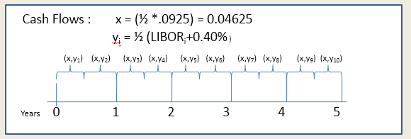
If LIBOR is quoted at 2.12% per annum for the next year

What is the floating rate Goldman pays? |  |  |  |  |  | 2.57% | per annum

 |  |  |  | Who is long? |  | Coldelco |  | Payer of the fixed is long forward, Payer of the floating is short forward
 |  |  |  | Who is short? |  | Goldman

Alpha negotiated a sequence of long forwards
Omega negotiated a sequence of short forwards
For this sort of swap, as with many others, parties would pay net amount
(x-y_{i})*N
If Libor₁ quoted at 4% , y₁ = ½ (0.04+0.0040) = 0.022
(0.04625 – 0.022)*10,000,000 = $242,500
* At no point does the notional switch hands*
At the first swap interval what is the net payment |  |  |  |  |  | $(900.00) | (x-yi)*N
 |  |  | and by whom? |  |  | Goldman

What is a credit default swap?
How were CDS used prior and during to 2008 crisis?

